PinOut_ESP32(OLD)
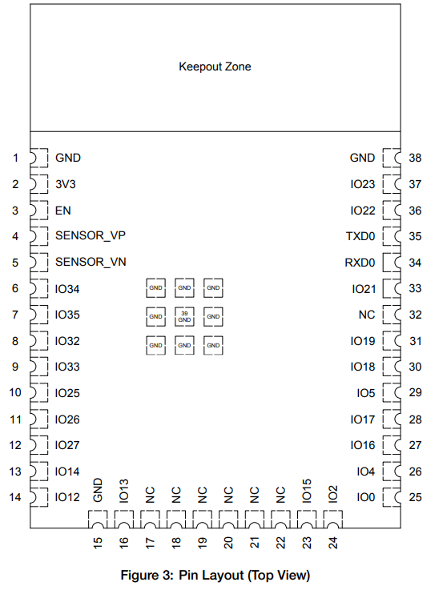

ESP32_1
PINS | Description | Input/Output | Purpose | Connected? | Descrption
1 | GND |  |  | T | Ground
2 | VCC (3.3V) |  |  | T | Ground
3 | Enable |  |  | T | Ground
4 | Sensor_VP
5 | Sensor_VN
6 | IO34 | I/O |  | T | Connect ESP32 tog
7 | IO35 | I/O |  | T | Connect ESP32 tog
8 | IO32 | I/O |  | T | Connect ESP32 tog
9 | IO33 | I/O |  | T | Connect ESP32 tog
10 | IO25
11 | IO26
12 | IO27
13 | IO14
14 | IO12
15 | GND |  |  | T | Ground
16 | IO13
17 | NC |  |  | T | Not Care
18 | NC |  |  | T | Not Care
19 | NC |  |  | T | Not Care
20 | NC |  |  | T | Not Care
21 | NC |  |  | T | Not Care
22 | NC |  |  | T | Not Care
23 | IO15
24 | IO2
25 | IO0 | O | HC_SR04L_TRIG | T | Trigger pin of ultrasonic sensor on left
26 | IO4 | I | HC_SR04L_ECHO | T | Echo pin of ultrasonic sensor on left
27 | IO16 | U2R2RX | SaberTooth_Rx | T | Transmitting pin from Sabertooth to recieving pin of ESP32
28 | IO17 | U2R2TX | SaberTooth_Tx | T | recieving pin from Sabertooth to Transmitting pin of ESP32
29 | IO5 | O | HC_SR04R_TRIG | T | Trigger pin of ultrasonic sensor on right
30 | IO18 | I | HC_SR04R_ECHO | T | Echo pin of ultrasonic sensor on right
31 | IO19
32 | NC
33 | IO21
34 | RXD0 | U0R0RX | PixHawk_Rx | T | Transmitting pin from PixHawk to recieving pin of ESP32
35 | TXD0 | U0R0TX | PixHawk_Tx | T | recieving pin from PixHawk to Transmitting pin of ESP32
36 | IO22
37 | IO23
38 | GND |  |  | T | Ground
39 | GND |  |  | T | Ground
40 | GND |  |  | T | Ground
41 | GND |  |  | T | Ground
42 | GND |  |  | T | Ground
43 | GND |  |  | T | Ground
44 | GND |  |  | T | Ground
45 | GND |  |  | T | Ground
46 | GND |  |  | T | Ground
47 | GND |  |  | T | Ground

ESP32_2
PINS | Description | Input/Output | Purpose | Connected? | Descrption
1 | GND |  |  | T | Ground
2 | VCC (3.3V) |  |  | T | Ground
3 | Enable |  |  | T | Ground
4 | Sensor_VP
5 | Sensor_VN
6 | IO34 | I/O |  | T | Connect ESP32 tog
7 | IO35 | I/O |  | T | Connect ESP32 tog
8 | IO32 | I/O |  | T | Connect ESP32 tog
9 | IO33 | I/O |  | T | Connect ESP32 tog
10 | IO25 |  | Battery_mont_alert | T | Two directional pin not sure what it does tbh
11 | IO26 |  | SDA communication_3 | T | SDA line of Battery Monitior 3
12 | IO27 |  | SCL communication_3 | T | SCL line of Battery Monitior 3
13 | IO14 |  | Battery_mont_trig_3 | T | Triggers the battery monitor to be on
14 | IO12 |  | Battery_mont_alert | T | Two directional pin not sure what it does tbh
15 | GND |  |  | T | Ground
16 | IO13 |  | SDA communication_2 | T | SDA line of Battery Monitior 2
17 | NC |  |  | T | Not Care
18 | NC |  |  | T | Not Care
19 | NC |  |  | T | Not Care
20 | NC |  |  | T | Not Care
21 | NC |  |  | T | Not Care
22 | NC |  |  | T | Not Care
23 | IO15 |  | SCL communication_2 | T | SCL line of Battery Monitior 2
24 | IO2 |  | Battery_mont_trig_2 | T | Triggers the battery monitor to be on
25 | IO0 |  | DAC Radio | T
26 | IO4 |  | Bit0_Radio | T
27 | IO16 |  | Bit1_Radio | T
28 | IO17 |  | Bit2_Radio | T
29 | IO5 |  | Bit3_Radio | T
30 | IO18 |  | Bit4_Radio | T
31 | IO19 |  | Battery_mont_alert | T | Two directional pin not sure what it does tbh | RC Filter?
32 | NC
33 | IO21 |  | SDA communication | T | SDA line of Battery Monitior 1 | Pull up resistors?
34 | RXD0
35 | TXD0
36 | IO22 |  | SCL communication | T | SCL line of Battery Monitior 1 | Pull up resistors?
37 | IO23 |  | Battery_mont_trig_1 | T | Triggers the battery monitor to be on | Maybe able to combine with SCL communication?
38 | GND |  |  | T | Ground
39 | GND |  |  | T | Ground
40 | GND |  |  | T | Ground
41 | GND |  |  | T | Ground
42 | GND |  |  | T | Ground
43 | GND |  |  | T | Ground
44 | GND |  |  | T | Ground
45 | GND |  |  | T | Ground
46 | GND |  |  | T | Ground
47 | GND |  |  | T | Ground

ESP32
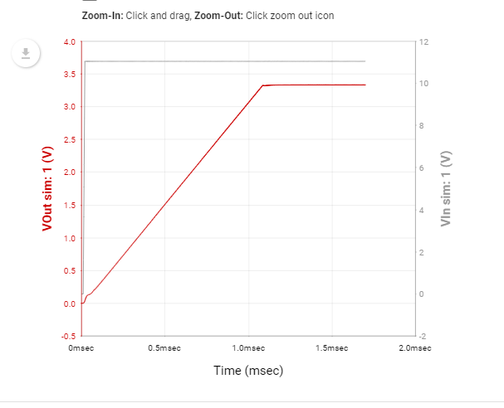
Input Transient |  |  |  |  |  |  |  | Title | Part | Qty |  | Output: 3.3 V at 1.25 A
Vout Maximum | Vout Minimum | Average Vout @Vin=12.6 | Average Vout @Vin=9.5 | Overshoot Settle Time | Undershoot Settle Time | Overshoot | Undershoot | IC | TPS565201DDCR | 1 | U3
3.34 V | 3.33 V | 3.34 V | 3.33 V | 0.01 ms | 0.01 ms | 0.00 V | 0.00 V | Cin | C2012X5R1V106K085AC | 2 | C8,C9
 |  |  |  |  |  |  |  | Cout | GRM31CR71A226KE15L | 3 | C12,C13,C14
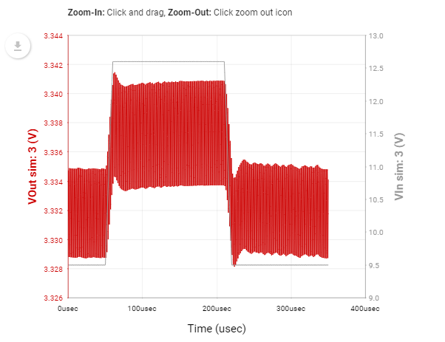
 |  |  |  |  |  |  |  | CBST | C0603C104M3VACTU | 1 | C11
 |  |  |  |  |  |  |  | L1 | SDR1806-2R2ML | 1 | L3
 |  |  |  |  |  |  |  | RFBB | CRCW120610K0FKEA | 1 | R7
 |  |  |  |  |  |  |  | RFBT | CRCW120633K2FKEA | 1 | R6
 |  |  |  |  |  |  |  | Cinx | GRM32NR72A104KA01L | 1 | C10

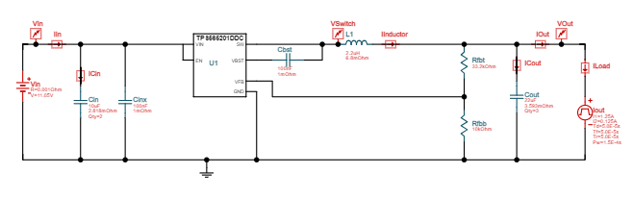
Output Transient
Vout Maximum | Vout Minimum | Average Vout @Iout=0.125 | Average Vout @Iout=1.25
3.37 V | 3.33 V | 3.35 V | 3.33 V

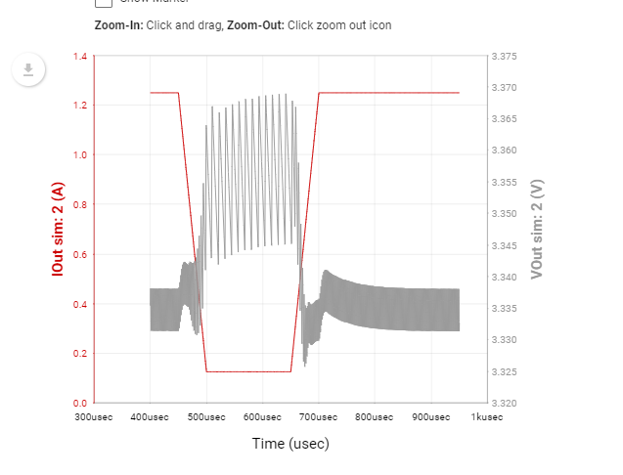

Startup
Startup Time | Vout Average | Inductor Max Current
0.96 ms | 3.33 V | 2.30 A

HC-SR04 MSGEQ7PixHawkGPS
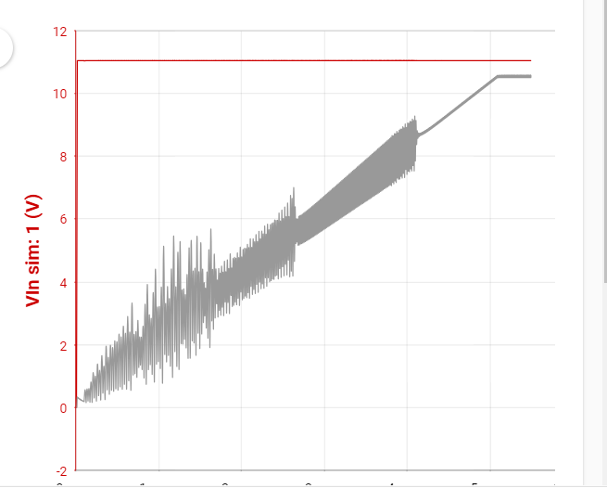
InputTransient |  |  |  |  |  |  |  | Title | Part | Qty |  | Output: 5.3 V at 0.4125 A
Vout Maximum | Vout Minimum | Average Vout @Vin=12.6 | Average Vout @Vin=9.5 | Overshoot Settle Time | Undershoot Settle Time | Overshoot | Undershoot | IC | TPS54308DDCR | 1 | U2
5.38 V | 5.18 V | 5.29 V | 5.28 V | 0.16 ms | 0.17 ms | 0.10 V | 0.10 V | Cin | TMK212BJ474KD-T | 1 | C5
 |  |  |  |  |  |  |  | Cout | C3216X5R1E336M160AC | 1 | C7
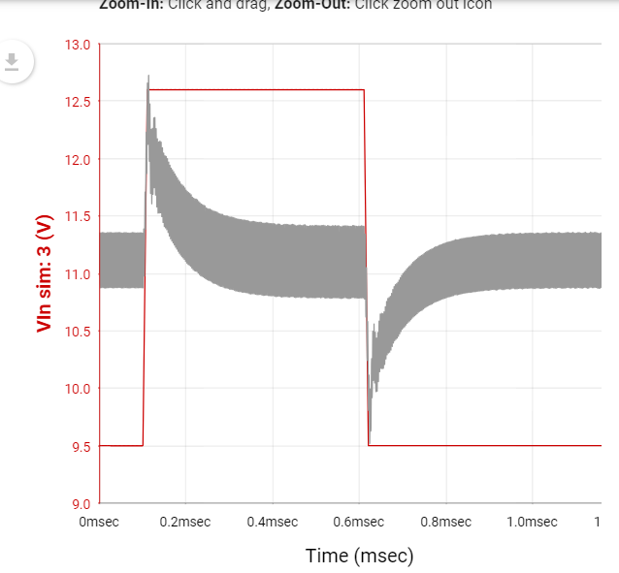
 |  |  |  |  |  |  |  | L1 | SRN6045-6R8Y | 1 | L2
 |  |  |  |  |  |  |  | Rfbt | CRCW1206100KFKEA | 1 | R4
 |  |  |  |  |  |  |  | Cbst | 08053C104KAT2A | 1 | C6
 |  |  |  |  |  |  |  | Rfbb | CRCW120612K7FKEA | 1 | R5

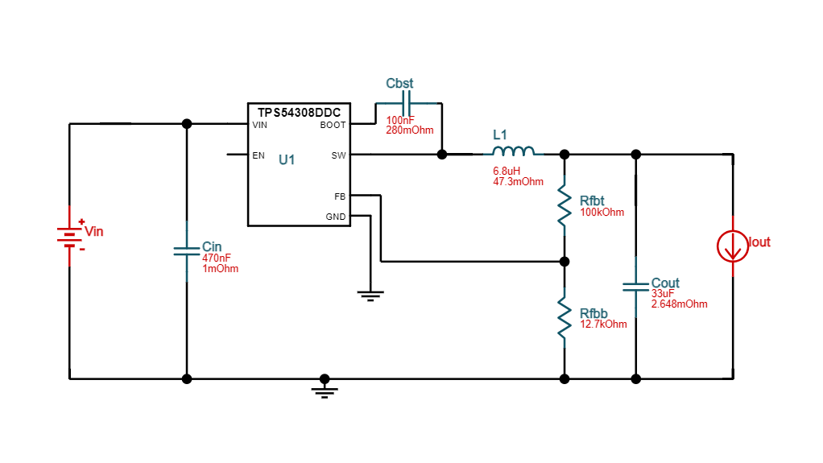

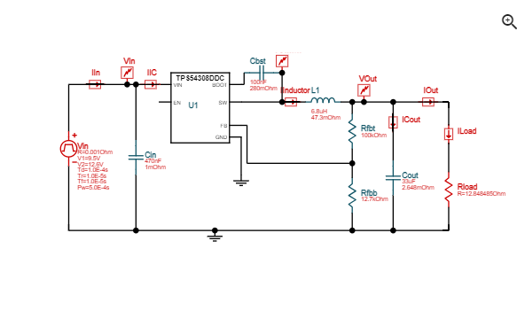
Output Transient
Vout Maximum | Vout Minimum | Average Vout @Iout=0.041249999999999995 | Average Vout @Iout=0.4125 | Overshoot Settle Time | Undershoot Settle Time | Overshoot | Undershoot
5.37 V | 5.20 V | 5.29 V | 5.28 V | 0.20 ms | 0.17 ms | 0.08 V | 0.08 V

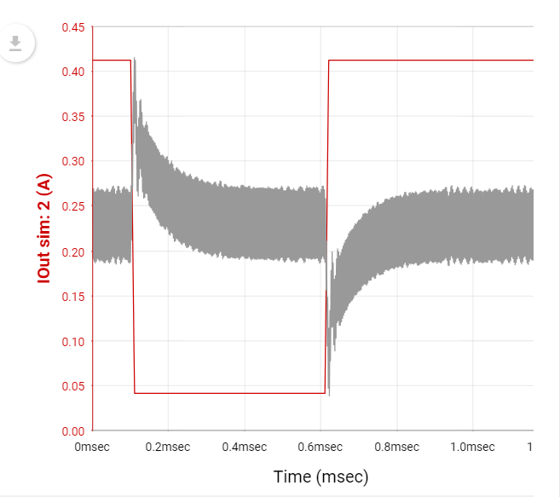

Startup
Startup Time | Vout Average | Inductor Max Current
4.74 ms | 5.27 V | 3.77 A

Baofang
InputTransient |  |  |  |  |  |  |  |  | Output: 7.4 V at 2.225 A |  | Title | Part | Qty
Vout Maximum | Vout Minimum | Average Vout @Vin=12.6 | Average Vout @Vin=9.5 | Overshoot | Undershoot |  |  |  |  |  | IC | TPS56339DDCR | 1 | U1
7.33 V | 7.28 V | 7.32 V | 7.28 V | 0.03 V | 0.03 V |  |  |  |  |  | Cin | C3216X5R1E336M160AC | 1 | C1
 |  |  |  |  |  |  |  |  |  |  | Cinx | GRM31C5C1H104JA01K | 1 | C2
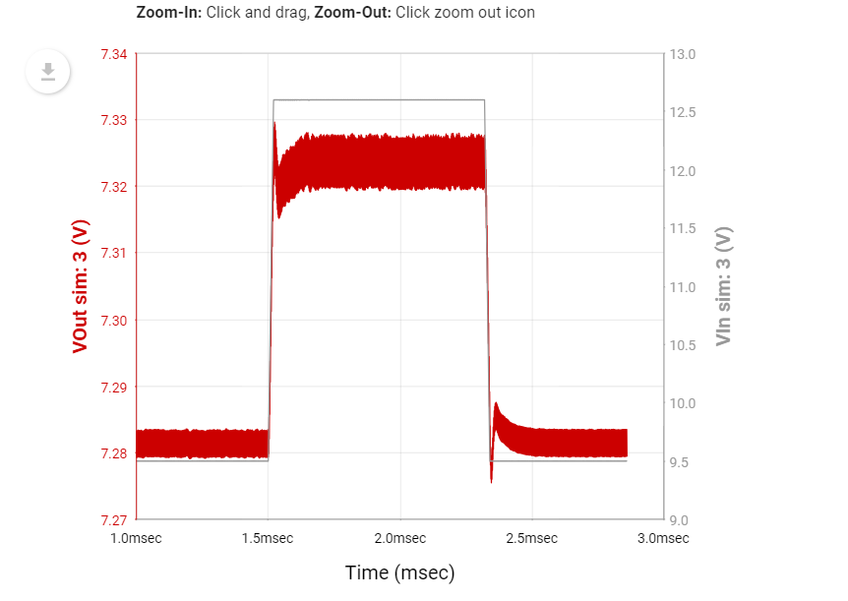
 |  |  |  |  |  |  |  |  |  |  | Rbst | RR1220Q-300-D | 1 | R1
 |  |  |  |  |  |  |  |  |  |  | Cbst | GRM319R72A104KA01D | 1 | C3
 |  |  |  |  |  |  |  |  |  |  | L1 | SRP1250-7R8M | 1 | L1
 |  |  |  |  |  |  |  |  |  |  | Rfbt | CRCW120682K5FKEA | 1 | R2
 |  |  |  |  |  |  |  |  |  |  | Rfbb | CRCW120610K0FKEA | 1 | R3
 |  |  |  |  |  |  |  |  |  |  | Cout | TMK325B7226KMHP | 2 | C4, C34
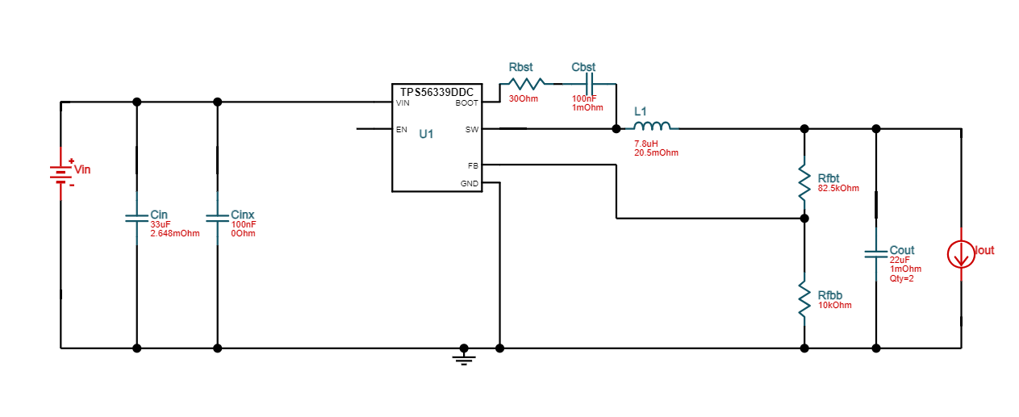

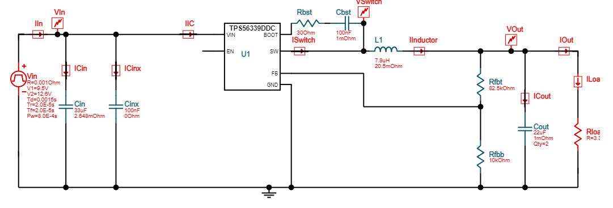
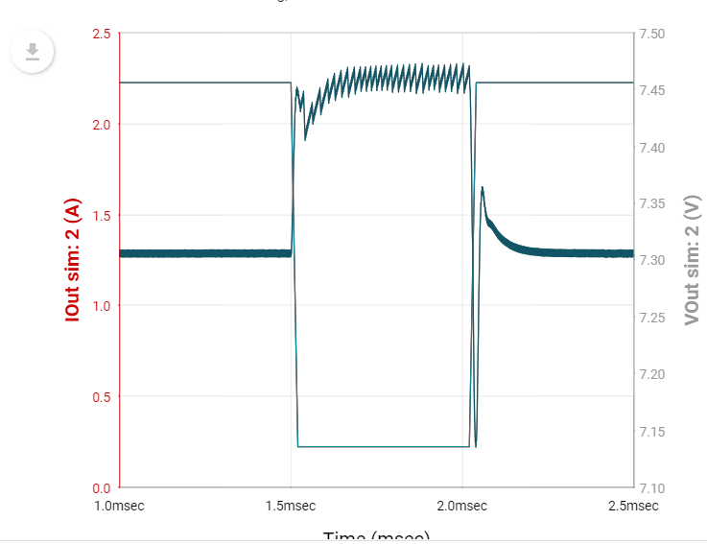
Output Transient
Vout Maximum | Vout Minimum | Average Vout @Iout=0.2225 | Average Vout @Iout=2.225
7.47 V | 7.13 V | 7.72 V | 7.31 V

Startup
Startup Time | Vout Average | Inductor Max Current
4.48 ms | 7.46 V | 3.08 A

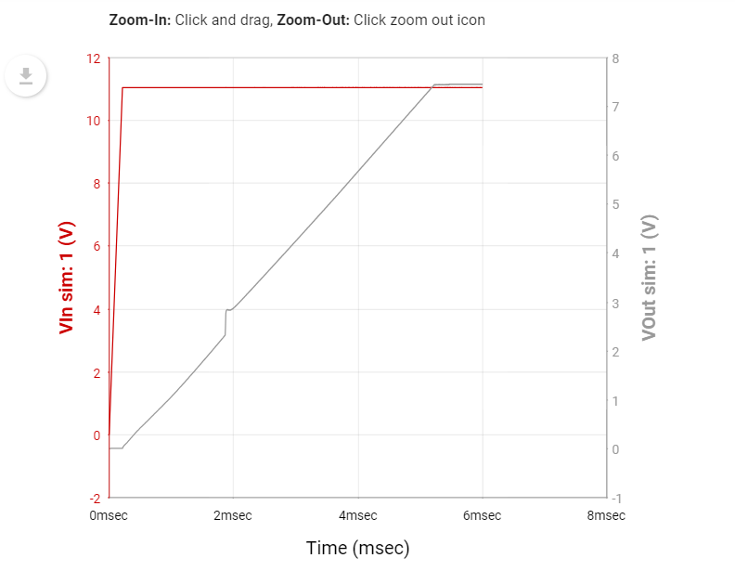

Input Transient
IIC3 | xIIC3 | ICinx3 | xICinx3 | IOut3 | xIOut3 | IInductor3 | xIInductor3 | IIn3 | xIIn3 | ICin3 | xICin3 | ISwitch3 | xISwitch3 | ICout3 | xICout3
3.279153 | 2.86 | 0.266272 | 2.86 | 2.203844 | 2.86 | 2.605008 | 2.86 | 7.71474 | 2.86 | 5.816488 | 2.86 | 2.605008 | 2.86 | 0.40292 | 2.86

Output Transient
IOut4 | xIOut4 | IIC4 | xIIC4 | ICout4 | xICout4 | ICinx4 | xICinx4 | ICin4 | xICin4 | ISwitch4 | xISwitch4 | IInductor4 | xIInductor4
2.225 | 2.5 | 3.675675 | 2.5 | 0.787447 | 2.5 | 1.51803 | 2.5 | 0.804384 | 2.5 | 3.012525 | 2.5 | 3.012525 | 2.5

StartUp Transient
IOut1 | xIOut1 | IIC1 | xIIC1 | ICin1 | xICin1 | IIn1 | xIIn1 | ISwitch1 | xISwitch1 | IInductor1 | xIInductor1 | ICinx1 | xICinx1 | ICout1 | xICout1
2.243356 | 6 | 3.525126 | 6 | 364.6412 | 6 | 365.7462 | 6 | 3.081758 | 6 | 3.081842 | 6 | 1.104993 | 6 | 2.345524 | 6

Testing
5.3V Line regulation testing
5.3V Load Regulation Test
5.3 V converter
 | Current Output |  |  | Changing input(200mA)
 | Current | Voltage | Load Regulation(%) | Input Voltage | Output | Line Regulation(%)
 | 0 | 5.264 | 0 | 12.6 | 5.222 | 0.7978723404 |  | Line regulation testing | input voltage
 | 50mA | 5.25 | 0.2659574468 | 12.3 | 5.216 | 0.9118541033 | E-Load | Load regulation test
 | 100mA | 5.237 | 0.5129179331 | 12 | 5.215 | 0.9308510638
 | 150mA | 5.222 | 0.7978723404 | 11.7 | 5.215 | 0.9308510638
 | 200mA | 5.21 | 1.025835866 | 11.4 | 5.213 | 0.9688449848
 | 250mA | 5.197 | 1.272796353 | 11.1 | 5.222 | 0.7978723404
 | 300mA | 5.186 | 1.481762918 | 10.8 | 5.221 | 0.8168693009
 | 350mA | 5.179 | 1.614741641 | 10.5 | 5.22 | 0.8358662614
 | 375mA | 5.171 | 1.766717325 | 10.2 | 5.22 | 0.8358662614
 | 400mA | 5.166 | 1.861702128 | 9.9 | 5.22 | 0.8358662614
 |  |  |  | 9.6 | 5.21 | 1.025835866

7.4V Converter
7.4V Line Regulation Test
7.4V Load Regulation Test
 |  |  |  |  | Current Output |  |  |  |  | Changing input(1 A)
 |  |  |  |  | Current | Voltage | Load Regulation(%) |  |  | Input Voltage | Output | Line Regulation
 |  |  |  |  | 0 | 7.434 | 0 |  |  | 12.6 | 7.324 | 0
 |  |  |  |  | .200mA | 7.344 | 1.210653753 |  |  | 12.3 | 7.325 | 0.01365374113
 |  |  |  |  | .400mA | 7.367 | 0.9012644606 |  |  | 12 | 7.326 | 0.02730748225
 |  |  |  |  | .600 mA | 7.357 | 1.035781544 |  |  | 11.7 | 7.327 | 0.04096122338
 |  |  |  |  | .800 mA | 7.343 | 1.224105461 |  |  | 11.4 | 7.327 | 0.04096122338
 |  |  |  |  | 1 A | 7.329 | 1.412429379 |  |  | 11.1 | 7.328 | 0.0546149645
 |  |  |  |  | 1.2 A | 7.314 | 1.614205004 |  |  | 10.8 | 7.33 | 0.08192244675
 |  |  |  |  | 1.4 A | 7.32 | 1.533494754 |  |  | 10.5 | 7.331 | 0.09557618788
 |  |  |  |  | 1.6 A | 7.31 | 1.668011838 |  |  | 10.2 | 7.332 | 0.109229929
 |  |  |  |  | 1.8 A | 7.282 | 2.044659672 |  |  | 9.9 | 7.333 | 0.1228836701
 |  |  |  |  | 2 A | 7.25 | 2.47511434 |  |  | 9.6 | 7.336 | 0.1638448935
 |  |  |  |  | 2.2 A | 7.25 | 2.47511434

3.3V Line Regulation Test
3.3V Converter
 |  |  |  |  | Current Output |  |  |  |  | Changing input (300mA)
 |  |  |  |  | Current | Voltage | Load Regulation(%) |  |  | Input Voltage | Output | Line Regulation
 |  |  |  |  | 0 | 3.301 | 0 |  |  | 12.6 | 3.274 | 0
 |  |  |  |  | 10mA | 3.288 | 0.3938200545 |  |  | 12.3 | 3.273 | 0.03054367746
 |  |  |  |  | 20mA | 3.286 | 0.4544077552 |  |  | 12 | 3.273 | 0.03054367746
 |  |  |  |  | 50mA | 3.283 | 0.5452893063 |  |  | 11.7 | 3.273 | 0.03054367746
 |  |  |  |  | 100mA | 3.279 | 0.6664647077 |  |  | 11.4 | 3.273 | 0.03054367746
 |  |  |  |  | 200mA | 3.273 | 0.8482278098 |  |  | 11.1 | 3.272 | 0.06108735492
 |  |  |  |  | 400mA | 3.266 | 1.060284762 |  |  | 10.8 | 3.272 | 0.06108735492
 |  |  |  |  | 600mA | 3.254 | 1.423810966 |  |  | 10.5 | 3.272 | 0.06108735492
 |  |  |  |  | 800mA | 3.239 | 1.878218722 |  |  | 10.2 | 3.272 | 0.06108735492
 |  |  |  |  | 1A | 3.227 | 2.241744926 |  |  | 9.9 | 3.271 | 0.09163103238
 |  |  |  |  | 1.1A | 3.224 | 2.332626477 |  |  | 9.6 | 3.271 | 0.09163103238
 |  |  |  |  | 1.2A | 3.216 | 2.57497728

3.3V Load Regulation Test

